Elec
Home | NAME |  |  |  |  |  |  |  |  |  |  | Status: | Missing |  |  |  |  |  |  | Instructions
 |  |  |  |  |  |  |  |  |  |  |  |  |  |  |  |  |  |  |  | Ref Column | Note
SM Code | NMI | Supplier | Account # |  |  |  |  |  |  |  |  | # | Tariffs | BC Max Code | Rate |  |  | Tariffs | BC Max Code | 6 | If no shoulder leave blank
 |  |  |  |  |  |  |  |  |  |  |  | 1 |  |  |  |  |  |  |  | 9 | If no solar leave blank
 |  |  |  |  |  |  |  |  |  |  |  | 2 |  |  |  |  |  |  |  | 14,15,16 | Enter as a minus. If no rebates or adjustments leave blank.
 |  |  |  |  |  |  |  |  |  |  |  | 3 |  |  |  |  |  |  |  | 12 | Ensure to enter $ amount as per invoice (i.e. if credit on inv then enter minus here)
 |  |  |  |  |  |  |  |  |  |  |  | 4
 |  |  |  |  |  |  |  |  |  |  |  | 5
 |  |  |  |  |  |  | if peak, offpeak, shoulder not there then there will be total |  |  |  |  | 6
 |  |  |  |  |  |  |  |  |  |  |  | 7
 |  |  |  |  |  |  |  |  |  |  |  | 8

Last Bills | 2023-09-30
1 | 2 | 3 | 4 | 5 | 6 | 7 | 8 | 9 | 10 | 11 | 12 | 13 | 14 | 15 | 16 | 17 | 18 | 19
From | To | Days | NMI | Peak kWh | Shoulder kWh | Offpeak kWh | Total kWh | Solar FiT kWh | Solar Credit Charges | KVA | Load Factor | Total Cost inc GST | GST | Rebates ex GST | Gov Rebates ex GST | Adjustment ex GST | Total Energy Cost (Adj for rebates etc) | WAC / Cents Per kWh (ex GST)
2021-10-16 | 2022-01-13 | 90 | 31207068463 |  |  |  | - | 733.141 | ($1,338.22) |  | FALSE | $4,739.59 | $340.13 |  |  |  | $4,399.46 | FALSE | 20220113_VISTAS APARTMENTS_ELEC_AGL_JAN2022.pdf
2023-09-01 | 2023-09-30 | 30 | QDDD7000071 | 20811.488 |  | 20305.088 | 41,116.58 |  |  |  | FALSE | ($15,120.10) | $1,125.45 |  | ($27,310.68) |  | $11,065.13 | $0.2691
2022-06-01 | 2022-06-30 | 30 | 31167459576 | 75168.05 |  | 67050.73 | 142,218.78 |  |  |  | FALSE | $21,899.94 | $1,990.90 |  | $26.07 |  | $19,882.97 | $0.1398 | 20220630_Skyline Apartments_ELEC_AGL_JUN2023_AMENDED.pdf
2022-07-01 | 2022-07-31 | 31 | 31167459576 |  |  |  | - |  |  |  | FALSE | $22,651.20 | $2,059.20 |  | $211.96 |  | $20,380.04 | FALSE | 20220731_Skyline Apartments_ELEC_AGL_JUL2023_AMENDED.pdf
 |  |  |  |  |  |  | - |  |  |  | FALSE |  |  |  |  |  | $0.00 | FALSE
 |  |  |  |  |  |  | - |  |  |  | FALSE |  |  |  |  |  | $0.00 | FALSE
 |  |  |  |  |  |  | - |  |  |  | FALSE |  |  |  |  |  | $0.00 | FALSE
 |  |  |  |  |  |  | - |  |  |  | FALSE |  |  |  |  |  | $0.00 | FALSE
 |  |  |  |  |  |  | - |  |  |  | FALSE |  |  |  |  |  | $0.00 | FALSE
 |  |  |  |  |  |  | - |  |  |  | FALSE |  |  |  |  |  | $0.00 | FALSE
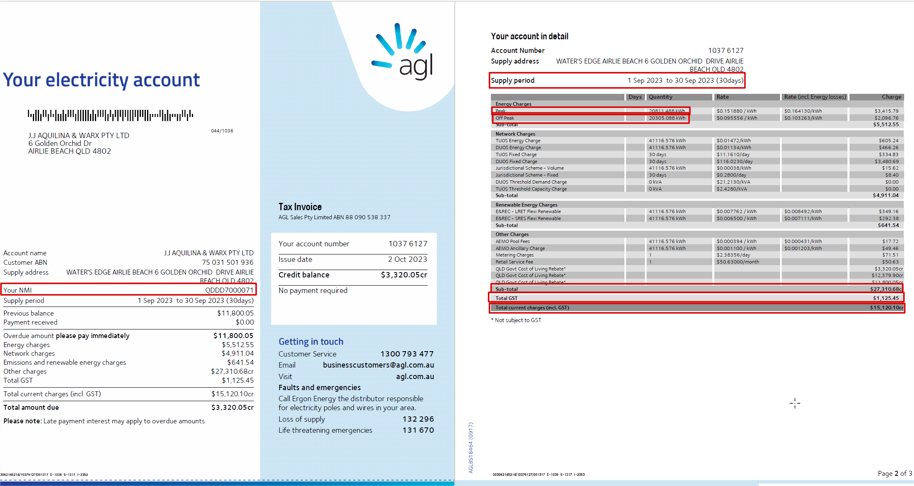
 |  |  |  |  |  |  | - |  |  |  | FALSE |  |  |  |  |  | $0.00 | FALSE
 |  |  |  |  |  |  | - |  |  |  | FALSE |  |  |  |  |  | $0.00 | FALSE
 |  |  |  |  |  |  | - |  |  |  | FALSE |  |  |  |  |  | $0.00 | FALSE
 |  |  |  |  |  |  | - |  |  |  | FALSE |  |  |  |  |  | $0.00 | FALSE
 |  |  |  |  |  |  | - |  |  |  | FALSE |  |  |  |  |  | $0.00 | FALSE
 |  |  |  |  |  |  | - |  |  |  | FALSE |  |  |  |  |  | $0.00 | FALSE
 |  |  |  |  |  |  | - |  |  |  | FALSE |  |  |  |  |  | $0.00 | FALSE
 |  |  |  |  |  |  | - |  |  |  | FALSE |  |  |  |  |  | $0.00 | FALSE
 |  |  |  |  |  |  | - |  |  |  | FALSE |  |  |  |  |  | $0.00 | FALSE
 |  |  |  |  |  |  | - |  |  |  | FALSE |  |  |  |  |  | $0.00 | FALSE
 |  |  |  |  |  |  | - |  |  |  | FALSE |  |  |  |  |  | $0.00 | FALSE
 |  |  |  |  |  |  | - |  |  |  | FALSE |  |  |  |  |  | $0.00 | FALSE
 |  |  |  |  |  |  | - |  |  |  | FALSE |  |  |  |  |  | $0.00 | FALSE
 |  |  |  |  |  |  | - |  |  |  | FALSE |  |  |  |  |  | $0.00 | FALSE
 |  |  |  |  |  |  | - |  |  |  | FALSE |  |  |  |  |  | $0.00 | FALSE
 |  |  |  |  |  |  | - |  |  |  | FALSE |  |  |  |  |  | $0.00 | FALSE
 |  |  |  |  |  |  | - |  |  |  | FALSE |  |  |  |  |  | $0.00 | FALSE
 |  |  |  |  |  |  | - |  |  |  | FALSE |  |  |  |  |  | $0.00 | FALSE
 |  |  |  |  |  |  | - |  |  |  | FALSE |  |  |  |  |  | $0.00 | FALSE
 |  |  |  |  |  |  | - |  |  |  | FALSE |  |  |  |  |  | $0.00 | FALSE
 |  |  |  |  |  |  | - |  |  |  | FALSE |  |  |  |  |  | $0.00 | FALSE
 |  |  |  |  |  |  | - |  |  |  | FALSE |  |  |  |  |  | $0.00 | FALSE
 |  |  |  |  |  |  | - |  |  |  | FALSE |  |  |  |  |  | $0.00 | FALSE
 |  |  |  |  |  |  | - |  |  |  | FALSE |  |  |  |  |  | $0.00 | FALSE
 |  |  |  |  |  |  | - |  |  |  | FALSE |  |  |  |  |  | $0.00 | FALSE
 |  |  |  |  |  |  | - |  |  |  | FALSE |  |  |  |  |  | $0.00 | FALSE
 |  |  |  |  |  |  | - |  |  |  | FALSE |  |  |  |  |  | $0.00 | FALSE
 |  |  |  |  |  |  | - |  |  |  | FALSE |  |  |  |  |  | $0.00 | FALSE
 |  |  |  |  |  |  | - |  |  |  | FALSE |  |  |  |  |  | $0.00 | FALSE
 |  |  |  |  |  |  | - |  |  |  | FALSE |  |  |  |  |  | $0.00 | FALSE
 |  |  |  |  |  |  | - |  |  |  | FALSE |  |  |  |  |  | $0.00 | FALSE
 |  |  |  |  |  |  | - |  |  |  | FALSE |  |  |  |  |  | $0.00 | FALSE
 |  |  |  |  |  |  | - |  |  |  | FALSE |  |  |  |  |  | $0.00 | FALSE
 |  |  |  |  |  |  | - |  |  |  | FALSE |  |  |  |  |  | $0.00 | FALSE
 |  |  |  |  |  |  | - |  |  |  | FALSE |  |  |  |  |  | $0.00 | FALSE
 |  |  |  |  |  |  | - |  |  |  | FALSE |  |  |  |  |  | $0.00 | FALSE
 |  |  |  |  |  |  | - |  |  |  | FALSE |  |  |  |  |  | $0.00 | FALSE
 |  |  |  |  |  |  | - |  |  |  | FALSE |  |  |  |  |  | $0.00 | FALSE
 |  |  |  |  |  |  | - |  |  |  | FALSE |  |  |  |  |  | $0.00 | FALSE
 |  |  |  |  |  |  | - |  |  |  | FALSE |  |  |  |  |  | $0.00 | FALSE
 |  |  |  |  |  |  | - |  |  |  | FALSE |  |  |  |  |  | $0.00 | FALSE
 |  |  |  |  |  |  | - |  |  |  | FALSE |  |  |  |  |  | $0.00 | FALSE
 |  |  |  |  |  |  | - |  |  |  | FALSE |  |  |  |  |  | $0.00 | FALSE
 |  |  |  |  |  |  | - |  |  |  | FALSE |  |  |  |  |  | $0.00 | FALSE
 |  |  |  |  |  |  | - |  |  |  | FALSE |  |  |  |  |  | $0.00 | FALSE
 |  |  |  |  |  |  | - |  |  |  | FALSE |  |  |  |  |  | $0.00 | FALSE
 |  |  |  |  |  |  | - |  |  |  | FALSE |  |  |  |  |  | $0.00 | FALSE
 |  |  |  |  |  |  | - |  |  |  | FALSE |  |  |  |  |  | $0.00 | FALSE
 |  |  |  |  |  |  | - |  |  |  | FALSE |  |  |  |  |  | $0.00 | FALSE
 |  |  |  |  |  |  | - |  |  |  | FALSE |  |  |  |  |  | $0.00 | FALSE
 |  |  |  |  |  |  | - |  |  |  | FALSE |  |  |  |  |  | $0.00 | FALSE
 |  |  |  |  |  |  | - |  |  |  | FALSE |  |  |  |  |  | $0.00 | FALSE
 |  |  |  |  |  |  | - |  |  |  | FALSE |  |  |  |  |  | $0.00 | FALSE
 |  |  |  |  |  |  | - |  |  |  | FALSE |  |  |  |  |  | $0.00 | FALSE
 |  |  |  |  |  |  | - |  |  |  | FALSE |  |  |  |  |  | $0.00 | FALSE
 |  |  |  |  |  |  | - |  |  |  | FALSE |  |  |  |  |  | $0.00 | FALSE
 |  |  |  |  |  |  | - |  |  |  | FALSE |  |  |  |  |  | $0.00 | FALSE
 |  |  |  |  |  |  | - |  |  |  | FALSE |  |  |  |  |  | $0.00 | FALSE
 |  |  |  |  |  |  | - |  |  |  | FALSE |  |  |  |  |  | $0.00 | FALSE
 |  |  |  |  |  |  | - |  |  |  | FALSE |  |  |  |  |  | $0.00 | FALSE
 |  |  |  |  |  |  | - |  |  |  | FALSE |  |  |  |  |  | $0.00 | FALSE
 |  |  |  |  |  |  | - |  |  |  | FALSE |  |  |  |  |  | $0.00 | FALSE
 |  |  |  |  |  |  | - |  |  |  | FALSE |  |  |  |  |  | $0.00 | FALSE
 |  |  |  |  |  |  | - |  |  |  | FALSE |  |  |  |  |  | $0.00 | FALSE
 |  |  |  |  |  |  | - |  |  |  | FALSE |  |  |  |  |  | $0.00 | FALSE
 |  |  |  |  |  |  | - |  |  |  | FALSE |  |  |  |  |  | $0.00 | FALSE
 |  |  |  |  |  |  | - |  |  |  | FALSE |  |  |  |  |  | $0.00 | FALSE
 |  |  |  |  |  |  | - |  |  |  | FALSE |  |  |  |  |  | $0.00 | FALSE
 |  |  |  |  |  |  | - |  |  |  | FALSE |  |  |  |  |  | $0.00 | FALSE
 |  |  |  |  |  |  | - |  |  |  | FALSE |  |  |  |  |  | $0.00 | FALSE
 |  |  |  |  |  |  | - |  |  |  | FALSE |  |  |  |  |  | $0.00 | FALSE
 |  |  |  |  |  |  | - |  |  |  | FALSE |  |  |  |  |  | $0.00 | FALSE
 |  |  |  |  |  |  | - |  |  |  | FALSE |  |  |  |  |  | $0.00 | FALSE
 |  |  |  |  |  |  | - |  |  |  | FALSE |  |  |  |  |  | $0.00 | FALSE
 |  |  |  |  |  |  | - |  |  |  | FALSE |  |  |  |  |  | $0.00 | FALSE
END | END | END | END | END | END | END | END | END | END | END | END | END | END | END | END | END | END | END

Origin_Gas
Home | NAME |  |  |  |  | Status: | Up To Date |  |  |  |  |  |  |  | Instructions
 |  |  |  |  |  |  |  |  |  |  |  |  |  |  | Ref Column | Note
SM Code | MIRN | Supplier | Account # |  |  | # | Tariffs | BC Max Code | Rate |  |  | Tariffs | BC Max Code |  | 9,10,11 | Enter as a minus. If no rebates or adjustments leave blank.
 |  |  |  |  |  | 1 |  |  |  |  |  |  |  |  | 7 | Ensure to enter $ amount as per invoice (i.e. if credit on inv then enter minus here)
 |  |  |  |  |  | 2
 |  |  |  |  |  | 3
 |  |  |  |  |  | 4
 |  |  |  |  |  | 5
 |  |  |  |  |  | 6
 |  |  |  |  |  | 7
 |  |  |  |  |  | 8

Last Bills | 2023-12-13
1 | 2 | 3 | 4 | 5 | 6 | 7 | 8 | 9 | 10 | 11 | 12 | 13 | 14
From | To | Days | MIRN | Total Cubic Meters | Total Mega Joules | Total Cost inc GST | GST | Usage Discount ex GST | Rebates ex GST | Adjustment ex GST | Total Gas Cost (Adj for rebates etc) | WAC / Cents Per MJ (ex GST) | WAC / Cents Per M3 (ex GST)
2023-09-15 | 2023-12-13 | 90 | 54200857952 |  | 354972 | $13,823.53 | $1,256.68 |  |  |  | $12,566.85 | $0.0354 | FALSE
2022-12-17 | 2023-03-20 | 94 | 54200857952 |  | 285366 | $10,258.92 | $932.63 |  |  |  | $9,326.29 | $0.0327 | FALSE | 20230320_Rivers on the Park_Gas_Origin_Mar2023.pdf
2023-03-21 | 2023-06-19 | 91 | 54200857952 |  | 417607 | $15,773.95 | $1,432.90 |  |  |  | $14,341.05 | $0.0343 | FALSE | 20230619_Rivers on the Park_Gas_Origin_Jun2023.pdf
2023-06-20 | 2023-09-14 | 87 | 54200857952 |  | 431017 | $16,515.95 | $1,501.46 |  |  |  | $15,014.49 | $0.0348 | FALSE | 20230914_Rivers on the Park_Gas_Origin_Sep2023.pdf
 |  |  |  |  |  |  |  |  |  |  | $0.00 | FALSE | FALSE
 |  |  |  |  |  |  |  |  |  |  | $0.00 | FALSE | FALSE
 |  |  |  |  |  |  |  |  |  |  | $0.00 | FALSE | FALSE
 |  |  |  |  |  |  |  |  |  |  | $0.00 | FALSE | FALSE
 |  |  |  |  |  |  |  |  |  |  | $0.00 | FALSE | FALSE
 |  |  |  |  |  |  |  |  |  |  | $0.00 | FALSE | FALSE
 |  |  |  |  |  |  |  |  |  |  | $0.00 | FALSE | FALSE
 |  |  |  |  |  |  |  |  |  |  | $0.00 | FALSE | FALSE
 |  |  |  |  |  |  |  |  |  |  | $0.00 | FALSE | FALSE
 |  |  |  |  |  |  |  |  |  |  | $0.00 | FALSE | FALSE
 |  |  |  |  |  |  |  |  |  |  | $0.00 | FALSE | FALSE
 |  |  |  |  |  |  |  |  |  |  | $0.00 | FALSE | FALSE
 |  |  |  |  |  |  |  |  |  |  | $0.00 | FALSE | FALSE
 |  |  |  |  |  |  |  |  |  |  | $0.00 | FALSE | FALSE
 |  |  |  |  |  |  |  |  |  |  | $0.00 | FALSE | FALSE
 |  |  |  |  |  |  |  |  |  |  | $0.00 | FALSE | FALSE
 |  |  |  |  |  |  |  |  |  |  | $0.00 | FALSE | FALSE
 |  |  |  |  |  |  |  |  |  |  | $0.00 | FALSE | FALSE
 |  |  |  |  |  |  |  |  |  |  | $0.00 | FALSE | FALSE
 |  |  |  |  |  |  |  |  |  |  | $0.00 | FALSE | FALSE
 |  |  |  |  |  |  |  |  |  |  | $0.00 | FALSE | FALSE
 |  |  |  |  |  |  |  |  |  |  | $0.00 | FALSE | FALSE
 |  |  |  |  |  |  |  |  |  |  | $0.00 | FALSE | FALSE
 |  |  |  |  |  |  |  |  |  |  | $0.00 | FALSE | FALSE
 |  |  |  |  |  |  |  |  |  |  | $0.00 | FALSE | FALSE
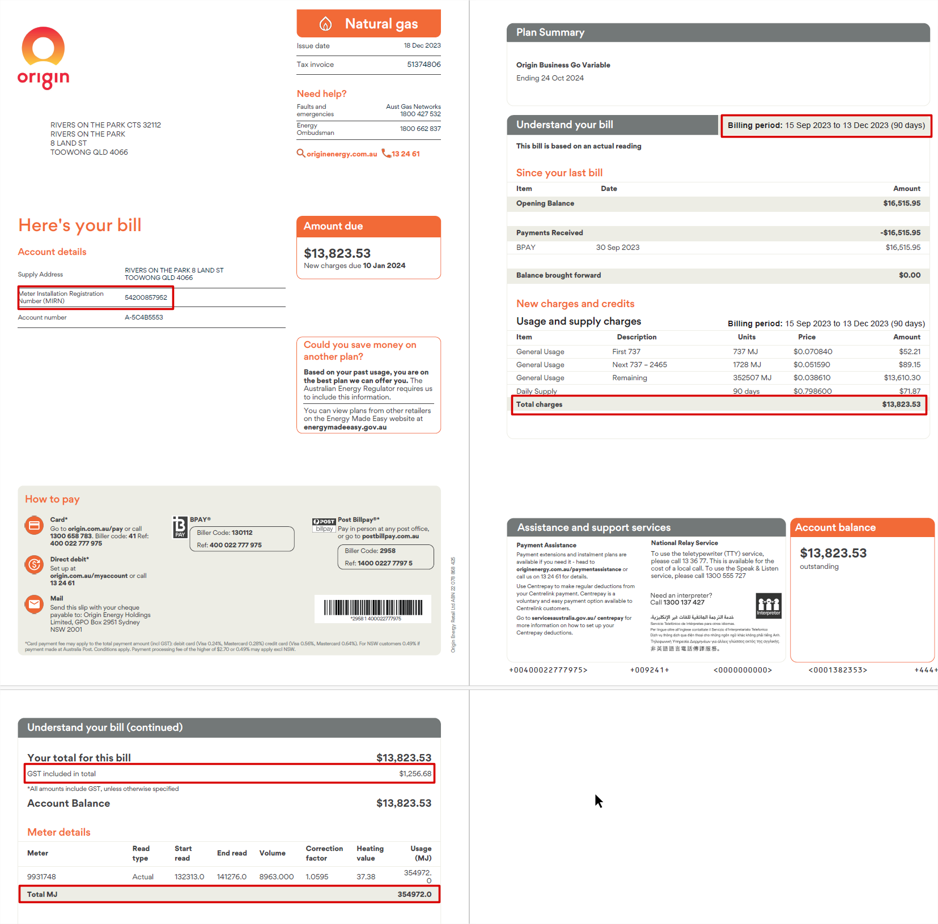
 |  |  |  |  |  |  |  |  |  |  | $0.00 | FALSE | FALSE
 |  |  |  |  |  |  |  |  |  |  | $0.00 | FALSE | FALSE
 |  |  |  |  |  |  |  |  |  |  | $0.00 | FALSE | FALSE
 |  |  |  |  |  |  |  |  |  |  | $0.00 | FALSE | FALSE
 |  |  |  |  |  |  |  |  |  |  | $0.00 | FALSE | FALSE
 |  |  |  |  |  |  |  |  |  |  | $0.00 | FALSE | FALSE
 |  |  |  |  |  |  |  |  |  |  | $0.00 | FALSE | FALSE
 |  |  |  |  |  |  |  |  |  |  | $0.00 | FALSE | FALSE
 |  |  |  |  |  |  |  |  |  |  | $0.00 | FALSE | FALSE
 |  |  |  |  |  |  |  |  |  |  | $0.00 | FALSE | FALSE
 |  |  |  |  |  |  |  |  |  |  | $0.00 | FALSE | FALSE
 |  |  |  |  |  |  |  |  |  |  | $0.00 | FALSE | FALSE
 |  |  |  |  |  |  |  |  |  |  | $0.00 | FALSE | FALSE
 |  |  |  |  |  |  |  |  |  |  | $0.00 | FALSE | FALSE
 |  |  |  |  |  |  |  |  |  |  | $0.00 | FALSE | FALSE
 |  |  |  |  |  |  |  |  |  |  | $0.00 | FALSE | FALSE
 |  |  |  |  |  |  |  |  |  |  | $0.00 | FALSE | FALSE
 |  |  |  |  |  |  |  |  |  |  | $0.00 | FALSE | FALSE
 |  |  |  |  |  |  |  |  |  |  | $0.00 | FALSE | FALSE
 |  |  |  |  |  |  |  |  |  |  | $0.00 | FALSE | FALSE
 |  |  |  |  |  |  |  |  |  |  | $0.00 | FALSE | FALSE
 |  |  |  |  |  |  |  |  |  |  | $0.00 | FALSE | FALSE
 |  |  |  |  |  |  |  |  |  |  | $0.00 | FALSE | FALSE
 |  |  |  |  |  |  |  |  |  |  | $0.00 | FALSE | FALSE
 |  |  |  |  |  |  |  |  |  |  | $0.00 | FALSE | FALSE
 |  |  |  |  |  |  |  |  |  |  | $0.00 | FALSE | FALSE
 |  |  |  |  |  |  |  |  |  |  | $0.00 | FALSE | FALSE
 |  |  |  |  |  |  |  |  |  |  | $0.00 | FALSE | FALSE
 |  |  |  |  |  |  |  |  |  |  | $0.00 | FALSE | FALSE
 |  |  |  |  |  |  |  |  |  |  | $0.00 | FALSE | FALSE
 |  |  |  |  |  |  |  |  |  |  | $0.00 | FALSE | FALSE
 |  |  |  |  |  |  |  |  |  |  | $0.00 | FALSE | FALSE
 |  |  |  |  |  |  |  |  |  |  | $0.00 | FALSE | FALSE
 |  |  |  |  |  |  |  |  |  |  | $0.00 | FALSE | FALSE
 |  |  |  |  |  |  |  |  |  |  | $0.00 | FALSE | FALSE
 |  |  |  |  |  |  |  |  |  |  | $0.00 | FALSE | FALSE
 |  |  |  |  |  |  |  |  |  |  | $0.00 | FALSE | FALSE
 |  |  |  |  |  |  |  |  |  |  | $0.00 | FALSE | FALSE
 |  |  |  |  |  |  |  |  |  |  | $0.00 | FALSE | FALSE
 |  |  |  |  |  |  |  |  |  |  | $0.00 | FALSE | FALSE
 |  |  |  |  |  |  |  |  |  |  | $0.00 | FALSE | FALSE
 |  |  |  |  |  |  |  |  |  |  | $0.00 | FALSE | FALSE
 |  |  |  |  |  |  |  |  |  |  | $0.00 | FALSE | FALSE
 |  |  |  |  |  |  |  |  |  |  | $0.00 | FALSE | FALSE
 |  |  |  |  |  |  |  |  |  |  | $0.00 | FALSE | FALSE
 |  |  |  |  |  |  |  |  |  |  | $0.00 | FALSE | FALSE
 |  |  |  |  |  |  |  |  |  |  | $0.00 | FALSE | FALSE
 |  |  |  |  |  |  |  |  |  |  | $0.00 | FALSE | FALSE
 |  |  |  |  |  |  |  |  |  |  | $0.00 | FALSE | FALSE
 |  |  |  |  |  |  |  |  |  |  | $0.00 | FALSE | FALSE
 |  |  |  |  |  |  |  |  |  |  | $0.00 | FALSE | FALSE
 |  |  |  |  |  |  |  |  |  |  | $0.00 | FALSE | FALSE
 |  |  |  |  |  |  |  |  |  |  | $0.00 | FALSE | FALSE
 |  |  |  |  |  |  |  |  |  |  | $0.00 | FALSE | FALSE
 |  |  |  |  |  |  |  |  |  |  | $0.00 | FALSE | FALSE
END | END | END | END | END | END | END | END | END | END | END | END | END | END

